Integer Programming Model
Problem
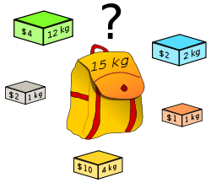
 | Which boxes should be chosen to maximise the amount of money while still keeping the overall weight under or equal to 15 kg?

Decision Variables

 | xj (j = 1, 2, 3, 4, 5) |  |  |  | = | { | 1 if item j is taken
 |  |  |  |  |  |  | 0 otherwise

Integer Programming Model
max z = | 4x1 | + | 2x2 | + | 2x3 | + | x4 | + | 10x5
s.t | 12x1 | + | 2x2 | + | x3 | + | x4 | + | 4x5 | ≤ | 15 | Weight restriction
 | xi = 0 or 1

Relaxed LP
max z = | 4x1 | + | 2x2 | + | 2x3 | + | x4 | + | 10x5
s.t | 12x1 | + | 2x2 | + | x3 | + | x4 | + | 4x5 | ≤ | 15
 | xi ≥ 0

Solver
 |  | x1 | x2 | x3 | x4 | x5 | Ref. | Sign | b
 | Var, | 0 | 1 | 1 | 1 | 1
 | Obj. | 4 | 2 | 2 | 1 | 10 | 15
 | s.t. 1 | 12 | 2 | 1 | 1 | 4 | 8 | ≤ | 15

